Calculations

 | Database (no guarantee! )
 |  | shortcut | Youngs modulus [Gpa] | Poisson ratio
 | Silicon | Si | 130 | 0.28
 | Polycarbonat | PC | 3 | 0.37
 | Glas D263M | Glas | 72.9 | 0.208 | (data from SCHOTT)
 | Saphire | Sa | 410 | 0.234
 | Quarz | Qu | 72 | 0.17
 | Substrates propertiers |  |  |  |  | Sytems properties |  |  | Films properties

 | thickness | Youngs modulus | poisson ratio | estimatet Radius |  | dist. Beams at sample | dist. Sample - detector |  | thickness
 | dsub [µm] | Esub [Gpa] | vsub [ ] | R0 [m] |  | a [mm] | L [cm] |  | dfilm [nm]
 | 500 | 80 | 0.2 | 100000 |  | 20 | 35 |  | 100
in m : | 0.0005 | 80000000000 | 0.2 | 100000 |  | 0.02 | 0.35 |  | 0.0000001
 |  | [ N / m^2 ]
 |  |  | 1 / R0 = | 0.00001 | 1/m
 |  | Stoneys equation
 | stress = | Esub * dsub^2 * D ( 1 / R ) 6 * (1-vsub) * dfilm |  | stress = | 14.88 | Mpa

 |  |  |  |  |  |  | R0 = | 100000 | m
 | D ( 1 / R ) = | 1 1 R1 R0 | where R0 represents the bending radius of the sample before the coating and R1 the bending radius after the coating |  | 0.00035714285714 | 1 m | "===>" therefore R1 = | 2723.7 | m

 | D ( 1 / R ) = | D x 2 * a * L |  |  | 0.00035714285714 | 1 m | b0 = | 0.002 | µm
 |  |  |  |  |  |  | b1 = | 0.073 | µm
 |  |  |  |  | measuered value
 | D x = | xafter - xbefore | the distance of the laserbeams at the detector corresponding to R0 and R1 Dx is the change in this distance! | enter : | 5 | µm | Db = | 0.071 | µm
 |  |  |  |  | 0.000005 | m
 | www.vajotec.com

Graphics
Graphical illustration:

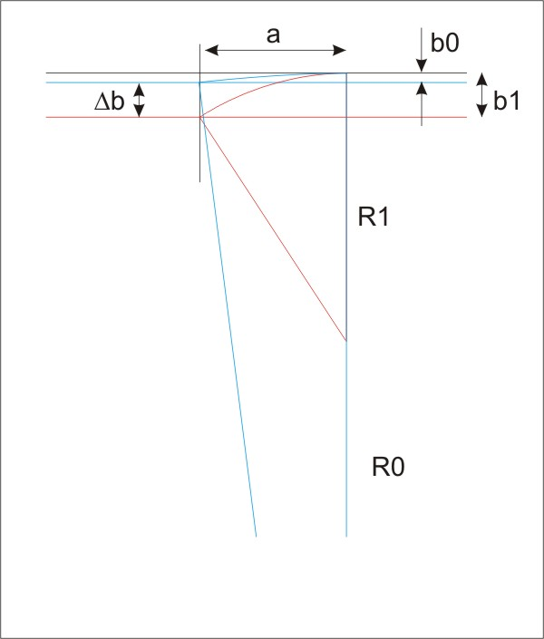

 | R1, R0 | Bending radius of the sample e.g. before and after coating
 | b0, b1 | Deflection of the cantilever due to the different radius
 | Db | Difference between b0 and b1
 | a | length of the cantilever

 | In Stoneys equation we assume relativly small values of b0 and b1. Therefore a can be considered constant in the scetch.

